Sheet2
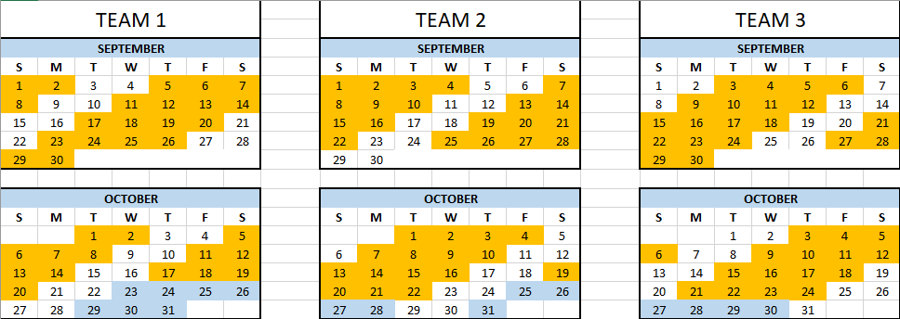

OCTOBER

11 | 12 | 13 | 14 | 15 | 16 | 17 | 18 | 19 | 20 | 21 | 22 | 23 | 24 | 25 | 26 | 27
TEAM 2 |  |  |  |  |  |  | TEAM 3 |  |  |  |  | TEAM 2
1st off | 2nd off | 1st day | 2nd day | 3rd day | 4th day | 1st off | 4th day | 1st off | 2nd off | VL | VL | 1st off | 2nd off | 1st day | 2nd day | 3rd day

